Cheques
How to record cheque/s?
Please ensure that the cheque/s are recorded in the month that they are written rather than in the month they are presented at the bank, and carried forward as unpresented where necessary.
How to record unpresented cheque/s?
Unpresented Cheques are the cheques recorded in your Club’s Cashbook but not yet showing on your Club’s Bank Statement. Cheque/s must be recorded in Cashbook on Expenditure page only once in the month/s when written.
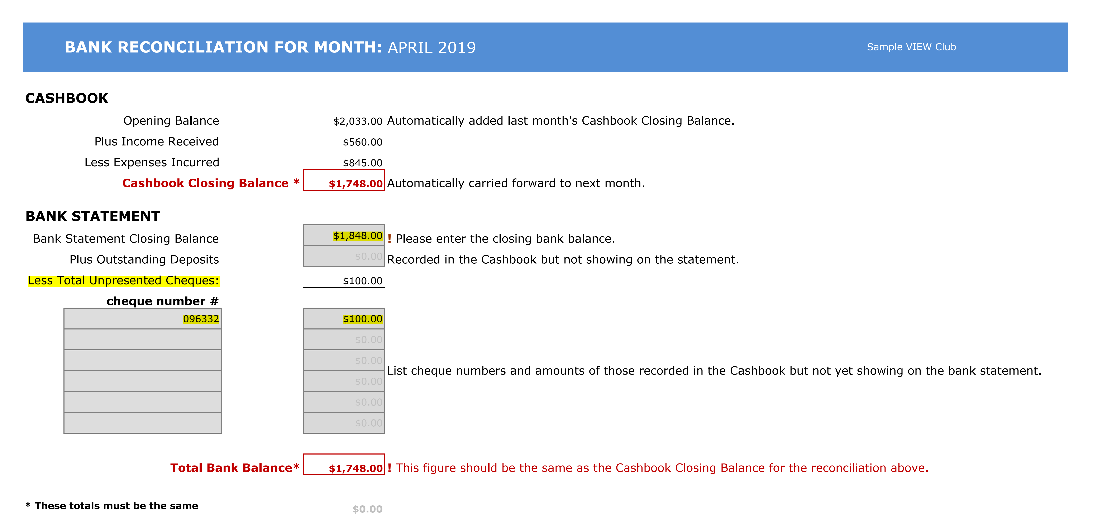
For example: in April you have sent a cheque for $100 to The Smith Family and recorded it in your Cashbook on the Expenditure page however the cheque has not been presented in April. When reconciling VIEW Cashbook with Bank Statement for April you would need to record “Bank Statement Closing Balance” and list the unpresented cheque/s in the Bank Statement section. Ensure this unpresented cheque is carried forward until the cheque is presented. Please note: There is no need to further record this cheque on presentation.

How to record cancelled cheque/s in Cashbook?
If you cancel a cheque, please record the cheque number and a negative amount (-$100.00) in Expenditure in the month you cancelled it. Any cheque unpresented for over 12 months should be recorded as a Stale Cheque in December.

Income & Expenditure
All income must be receipted and a receipt issued for all monies received by cash, cheque, direct deposit or square reader.
One receipt can be written for grouped transactions, for example:
- One receipt issued to cover all meal monies
- Raffle monies to be receipted as a total for the day
Recording receipt number
Receipts can be recorded "in bulk", e.g. receipts numbered 603551-603556.
INCOME FOR YEAR 2026 |  |  |  |  |  |  |  |  | 0
DATE | DETAILS | RECEIPT NUMBER/ DIRECT DEPOSIT REFERENCE | TOTAL BANKED | MEALS | FUNCTIONS | RAFFLES | DONATIONS | MEMBERS SUBS/ JOINING FEES | LEARNING FOR LIFE | OTHERS | COMMENTS
 |  |  | $0.00
 |  |  | $0.00
 |  |  | $0.00
 |  |  | $0.00
 |  |  | $0.00
 |  |  | $0.00
 |  |  | $0.00
 |  |  | $0.00
 |  |  | $0.00
 |  |  | $0.00
 |  |  | $0.00
 |  |  | $0.00
 |  |  | $0.00
 |  |  | $0.00
 |  |  | $0.00
 |  |  | $0.00
 |  |  | $0.00
TOTAL FOR YEAR |  |  | $0.00 | $0.00 | $0.00 | $0.00 | $0.00 | $0.00 | $0.00 | $0.00
 | Difference (Total Bank/Breakup) |  | $0.00
EXPENDITURE FOR YEAR 2026 |  |  |  |  |  |  |  |  | 0
DATE | PAYEE | CHEQUE NUMBER/EFT RECEIPT NUMBER | CHEQUE/EFT TOTAL | MEALS | FUNCTIONS | RAFFLES | DONATIONS, including members subs | JOINING FEES | LEARNING FOR LIFE | OTHERS | COMMENTS
Please DO NOT record unpresented cheque/s which were recorded in last year's Cashbook on this page.
 |  |  | $0.00
 |  |  | $0.00
 |  |  | $0.00
Please ensure that the cheque/s are recorded in the month that they are written rather than in the month they are presented at the bank, and carried forward as unpresented where necessary.
 |  |  | $0.00
 |  |  | $0.00
 |  |  | $0.00
 |  |  | $0.00
 |  |  | $0.00
 |  |  | $0.00
 |  |  | $0.00
 |  |  | $0.00
 |  |  | $0.00
 |  |  | $0.00
 |  |  | $0.00
 |  |  | $0.00
 |  |  | $0.00
 |  |  | $0.00
 |  |  | $0.00
Stale cheque (enter a negative amount) (an unpresented cheque over 12 months old) |  |  | $0.00 |  |  |  |  |  |  |  | Cheque #/ Payee/Date
Stale cheque (enter a negative amount) (an unpresented cheque over 12 months old) |  |  | $0.00 |  |  |  |  |  |  |  | Cheque #/ Payee/Date
Stale cheque (enter a negative amount) (an unpresented cheque over 12 months old) |  |  | $0.00 |  |  |  |  |  |  |  | Cheque #/ Payee/Date
TOTAL FOR YEAR |  |  | $0.00 | $0.00 | $0.00 | $0.00 | $0.00 | $0.00 | $0.00 | $0.00
 | Difference Cheque (Total/Breakup) |  | $0.00
BANK RECONCILIATION FOR MONTH: |  |  |  | #REF! |  |  |  |  | 0
CASHBOOK
Opening Balance |  |  | $0.00 | ! Please enter Cashbook Closing Balance as at 31 December 2025.
Plus Income Received |  |  | $0.00
Please make sure your Cashbook Closing Balance matches with Total Bank Balance.
Less Expenses Incurred |  |  | $0.00
Cashbook Closing Balance * |  |  | $0.00
BANK STATEMENT
Bank Statement Closing Balance |  |  | $0.00 | ! Please enter the closing bank balance as at 31 December 2026.
Plus Outstanding Deposits |  |  | $0.00 | Recorded in the Cashbook but not showing on the statement.
Less Total Unpresented Cheques: |  |  | $0.00
 | cheque number #
 |  |  | $0.00 | List any unpresented cheque (except "Stale cheque") numbers and amounts of those recorded in the Cashbook but not yet showing on the bank statement. Ensure this unpresented cheque is carried forward until the cheque is presented.
 |  |  | $0.00
 |  |  | $0.00
 |  |  | $0.00
 |  |  | $0.00
 |  |  | $0.00

Total Bank Balance* |  |  | $0.00 | ! This figure should be the same as the Cashbook Closing Balance for the reconciliation above.

*Variance Cashbook Closing Balance to Total Bank Balance |  |  | $0.00 | Cashbook Closing Balance and Total Bank Balance must be the same. If the reconciliation is correct this amount will be $0.

Statement
Before you send your Club's Cashbook for Audit please reconcile this Income and Expenditure Statement.
How to reconcile your Club's Statement?
1. Confirm the Cashbook Opening Balance in January is matched with Cashbook Closing Balance as at December of the previous year.
2. Confirm the Cashbook Closing Balance for the year is matched to the Total Bank Balance for the year.
INCOME AND EXPENDITURE STATEMENT
FOR THE YEAR ENDED |  | 2026
0

INCOME | TOTAL | EXPENDITURE | TOTAL
MEALS | $0.00 | MEALS | $0.00
FUNCTIONS | $0.00 | FUNCTIONS | $0.00
RAFFLES | $0.00 | RAFFLES | $0.00
DONATIONS | $0.00 | DONATIONS, including members subs | $0.00
MEMBERS SUBS/ JOINING FEES | $0.00 | JOINING FEES | $0.00
LEARNING FOR LIFE | $0.00 | LEARNING FOR LIFE | $0.00
OTHERS | $0.00 | OTHERS | $0.00
TOTAL INCOME | $0.00 | TOTAL EXPENDITURE | $0.00

This Cashbook Closing Balance will be your Cashbook Opening Balance in January 2027.
BANK RECONCILIATION FOR THE YEAR ENDED
CASHBOOK
Opening Balance (as at January 2023) |  | $0.00
Plus Total Income Received |  | $0.00
Less Total Expenses Incurred |  | $0.00
 | Cashbook Closing Balance * | $0.00

This figure should be the same as the Cashbook Closing Balance for the reconciliation above.
BANK STATEMENT as at 31 December
Bank Statement Closing Balance |  | $0.00
Plus Outstanding Deposits |  | $0.00
Less Total Unpresented Cheques: |  | $0.00
 | Total Bank Balance* | $0.00

Cashbook Closing Balance and Total Bank Balance must be the same.
If the reconciliation is correct this amount will be $0.
*Variance Cashbook Closing Balance to Total Bank Balance: |  | $0.00

ANNUAL REPORT: |  | 2026
0
TOTAL INCOME |  | $0.00

These charts will be shown when your data is completed for the year.

TOTAL EXPENDITURE |  | $0.00

Cashbook Closing Balance |  |  | $0.00

